Item 01
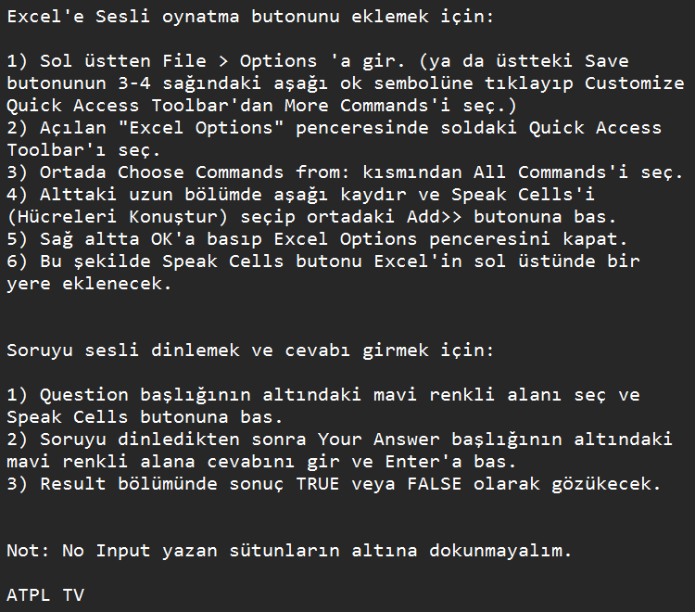
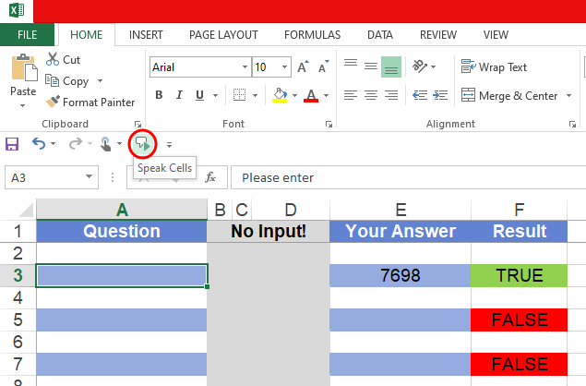
Question | No Input! |  | Your Answer | Result

 |  |  | Yanıtınızı renk yüz şeklinde girin: red bottom, yellow front, blue rear, green left gibi…

Level 1

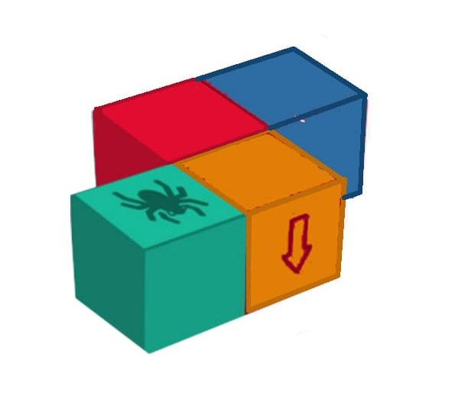
Move ahead. Turn right. Turn around. Move back. Move right. Turn left. Turn around. | . | green bottom |  | FALSE

Turn Left. Move ahead. Move ahead. Move Left. Turn right. Move back. Move right. | . | blue top |  | FALSE

Move back. Turn right. Move back. Turn right. Move right. Turn around. Move left. | . | blue rear |  | FALSE

Move ahead. Move right. Move right. Turn around. Turn left. Move left. Move ahead. | . | yellow bottom |  | FALSE

Move right. Move right. Turn right. Move ahead. Turn left. Move back. Move right. | . | blue bottom |  | FALSE

Level 2 | .

Move right, Turn left, Turn right, Move ahead, Move right, Turn around, Move left. | . | green rear |  | FALSE

Turn right, Move ahead, Move left, Turn around, Turn left, Move left, Turn right. | . | green bottom |  | FALSE

Move right, Move ahead, Turn left, Turn around, Move ahead, Move right, Turn around. | . | green left |  | FALSE

Turn around, Move ahead, Move right, Move ahead, Turn around, Move ahead, Move right. | . | green rear |  | FALSE

Move left, Turn right, Move back, Turn left, Move back, Move Left, Move back. | . | blue right |  | FALSE

Level 3 | .

Turn around, Move right, Turn left, Move right, Turn left, Turn right, Move ahead, Move right, Turn around, Move left. | . | blue rear |  | FALSE

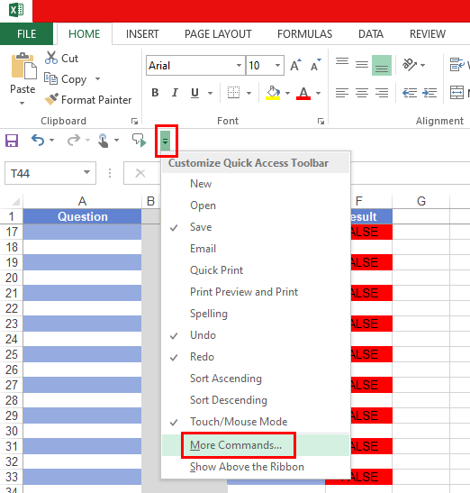
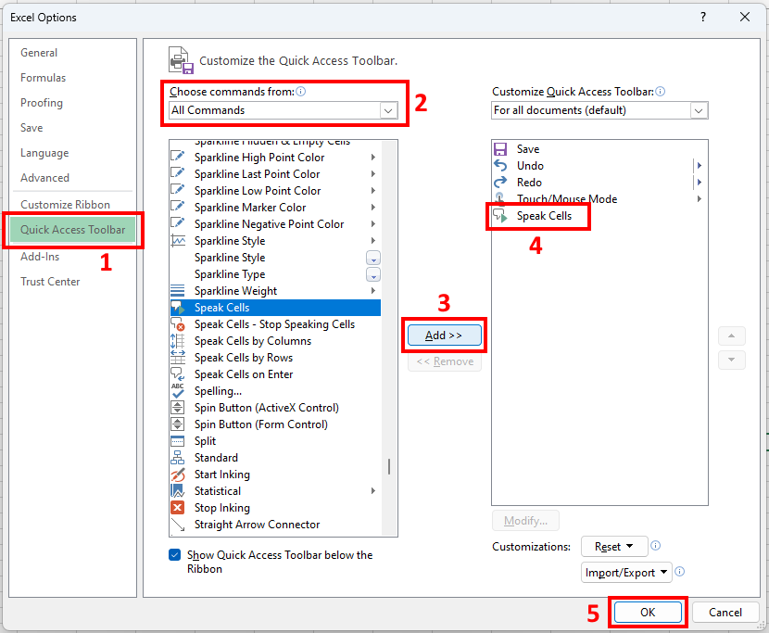
Move right, Move left, Move left, Turn right, Move ahead, Move left, Turn around, Turn left, Move left, Turn right. | . | green left |  | FALSE

Turn left, Move ahead, Turn right, Move right, Move ahead, Turn left, Turn around, Move ahead, Move right, Turn around. | . | green top |  | FALSE

Move back, Move left, Turn around, Turn around, Move ahead, Move right, Move ahead, Turn around, Move ahead, Move right. | . | red top |  | FALSE

Move back, Move back, Turn left, Move left, Turn right, Move back, Turn left, Move back, Move Left, Move back. | . | green bottom |  | FALSE

Mülakat Süreçleri:
https://drive.google.com/drive/folders/1nQqGMC9V53bgz6CDmHSKO-cmHD5CSLme?usp=sharing

Item 08
Question | No Input! |  | Your Answer | Result

 |  |  | Yanıtınızı renk yüz şeklinde girin: red bottom, yellow front, blue rear, green left gibi…

Level 1

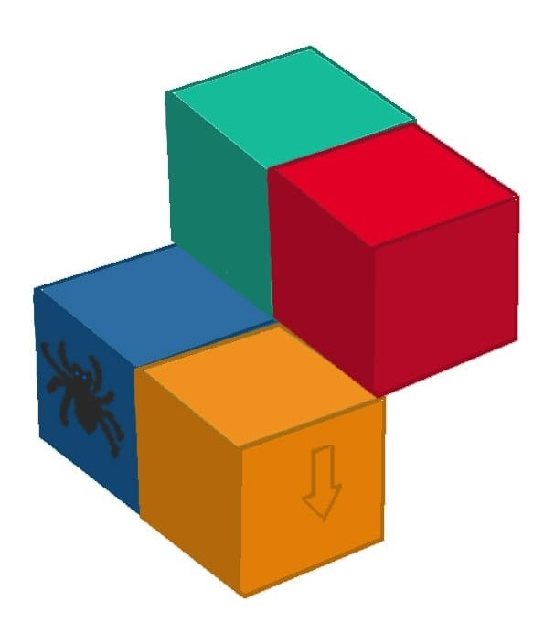
Move ahead. Turn right. Turn around. Move back. Move right. Turn left. Turn around. | . | red left |  | FALSE

Turn Left. Move ahead. Move ahead. Move Left. Turn right. Move back. Move right. | . | blue rear |  | FALSE

Move back. Turn right. Move back. Turn right. Move right. Turn around. Move left. | . | yellow top |  | FALSE

Move ahead. Move right. Move right. Turn around. Turn left. Move left. Move ahead. | . | yellow bottom |  | FALSE

Move right. Move right. Turn right. Move ahead. Turn left. Move back. Move right. | . | blue bottom |  | FALSE

Level 2 | .

Move right, Turn left, Turn right, Move ahead, Move right, Turn around, Move left. | . | yellow bottom |  | FALSE

Turn right, Move ahead, Move left, Turn around, Turn left, Move left, Turn right. | . | yellow front |  | FALSE

Move right, Move ahead, Turn left, Turn around, Move ahead, Move right, Turn around. | . | yellow left |  | FALSE

Turn around, Move ahead, Move right, Move ahead, Turn around, Move ahead, Move right. | . | blue bottom |  | FALSE

Move left, Turn right, Move back, Turn left, Move back, Move Left, Move back. | . | yellow left |  | FALSE

Level 3 | .

Turn around, Move right, Turn left, Move right, Turn left, Turn right, Move ahead, Move right, Turn around, Move left. | . | yellow front |  | FALSE

Move right, Move left, Move left, Turn right, Move ahead, Move left, Turn around, Turn left, Move left, Turn right. | . | yellow top |  | FALSE

Turn left, Move ahead, Turn right, Move right, Move ahead, Turn left, Turn around, Move ahead, Move right, Turn around. | . | yellow left |  | FALSE

Move back, Move left, Turn around, Turn around, Move ahead, Move right, Move ahead, Turn around, Move ahead, Move right. | . | blue left |  | FALSE

Move back, Move back, Turn left, Move left, Turn right, Move back, Turn left, Move back, Move Left, Move back. | . | red front |  | FALSE

Item 10
Question | No Input! |  | Your Answer | Result

 |  |  | Yanıtınızı renk yüz şeklinde girin: red bottom, yellow front, blue rear, green left gibi…

Level 1

Move ahead. Turn right. Turn around. Move back. Move right. Turn left. Turn around. | . | green bottom |  | FALSE
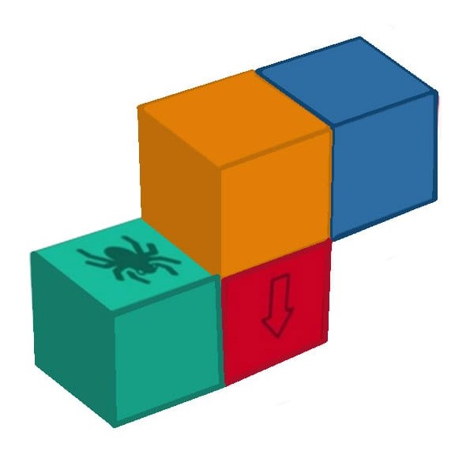
Turn Left. Move ahead. Move ahead. Move Left. Turn right. Move back. Move left. | . | red right |  | FALSE

Move back. Turn right. Move back. Turn right. Move right. Turn around. Move ahead. | . | blue bottom |  | FALSE

Move ahead. Move right. Move right. Turn around. Turn left. Move left. Move ahead. | . | red bottom |  | FALSE

Move right. Move right. Turn right. Move ahead. Turn left. Move back. Move right. | . | red right |  | FALSE

Level 2 | .

Move right, Turn left, Turn right, Move ahead, Move right, Turn around, Move left. | . | green rear |  | FALSE

Turn right, Move ahead, Move left, Turn around, Turn left, Move left, Turn right. | . | green bottom |  | FALSE

Move right, Move ahead, Turn left, Turn around, Move ahead, Move right, Turn around. | . | green left |  | FALSE

Turn around, Move ahead, Move right, Move ahead, Turn around, Move ahead, Move right. | . | green rear |  | FALSE

Move left, Turn right, Move back, Turn left, Move back, Move Left, Move back. | . | blue bottom |  | FALSE

Level 3 | .

Turn around, Move right, Turn left, Move right, Turn left, Turn right, Move ahead, Move right, Turn around, Move left. | . | red front |  | FALSE

Move right, Move left, Move left, Turn right, Move ahead, Move left, Turn around, Turn left, Move left, Turn right. | . | green left |  | FALSE

Turn left, Move ahead, Turn right, Move right, Move ahead, Turn left, Turn around, Move ahead, Move right, Turn around. | . | green top |  | FALSE

Move back, Move left, Turn around, Turn around, Move ahead, Move right, Move ahead, Turn around, Move ahead, Move right. | . | yellow rear |  | FALSE

Move back, Move back, Turn left, Move left, Turn right, Move back, Turn left, Move back, Move Left, Move back. | . | green bottom |  | FALSE

Move back, Turn left, Move ahead, Move ahead, Move right, Turn Left, Move Left, Move ahead, Turn Around, Move back | . | yellow left |  | FALSE

Item 12
Question | No Input! |  | Your Answer | Result

 |  |  | Yanıtınızı renk yüz şeklinde girin: red bottom, yellow front, blue rear, green left gibi…

Level 1

Move ahead. Turn right. Turn around. Move back. Move right. Turn left. Move back. | . | green right |  | FALSE

Turn Left. Move ahead. Move ahead. Move Left. Turn right. Move back. Move right. | . | yellow right |  | FALSE

Move back. Turn right. Move back. Turn right. Move right. Turn around. Move left. | . | yellow front |  | FALSE

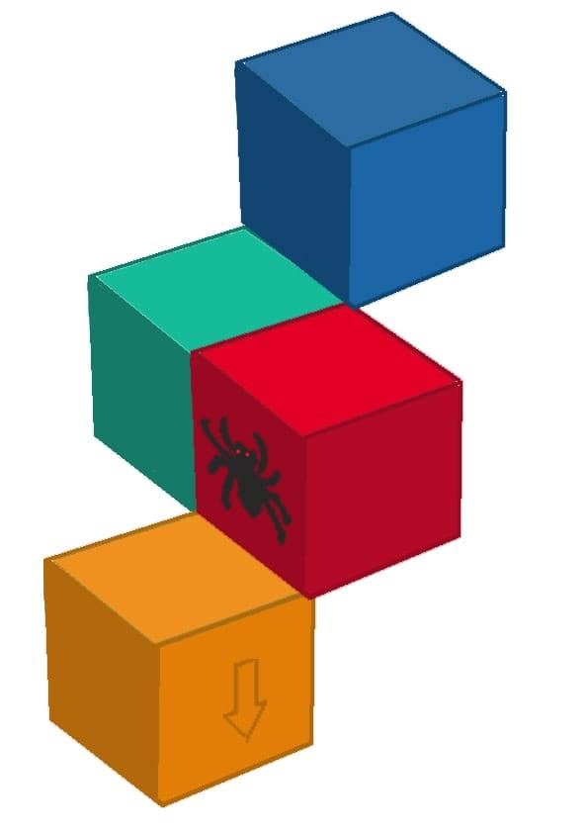
Move ahead. Move right. Move right. Turn around. Turn left. Move left. Move ahead. | . | green right |  | FALSE

Move right. Move right. Turn right. Move ahead. Turn left. Move back. Move right. | . | green rear |  | FALSE

Level 2 | .

Move right, Turn left, Turn right, Move ahead, Move right, Turn around, Move left. | . | red bottom |  | FALSE

Turn right, Move ahead, Move left, Turn around, Turn left, Move left, Turn right. | . | red right |  | FALSE

Move right, Move ahead, Turn left, Turn around, Move ahead, Move right, Turn around. | . | red front |  | FALSE

Turn around, Move ahead, Move right, Move ahead, Turn around, Move ahead, Move right. | . | yellow top |  | FALSE

Move left, Turn right, Move back, Turn left, Move back, Move Left, Move back. | . | red right |  | FALSE

Level 3 | .

Turn around, Move right, Turn left, Move right, Turn left, Turn right, Move ahead, Move right, Turn around, Move left. | . | red top |  | FALSE

Move right, Move left, Move left, Turn right, Move ahead, Move left, Turn around, Turn left, Move left, Turn right. | . | red front |  | FALSE

Turn left, Move ahead, Turn right, Move right, Move ahead, Turn left, Turn around, Move ahead, Move right, Turn around. | . | red left |  | FALSE

Move back, Move left, Turn around, Turn around, Move ahead, Move right, Move ahead, Turn around, Move ahead, Move right. | . | yellow right |  | FALSE

Move back, Move back, Turn left, Move left, Turn right, Move back, Turn left, Move back, Move Left, Move back. | . | yellow left |  | FALSE

Move back, Turn right, Move back, Turn left, Move Left, Turn right, Move Right, Turn around, Turn right, Move left. | . | yellow front |  | FALSE

Move ahead, Move left, Move ahead, Move right, Turn left, Turn around, Move left, Move back, Move back | . | green top |  | FALSE

Move right, Move back, Turn right, Move right, Turn left, Move right, Turn left, Move back, Turn around, Move ahead | . | blue right |  | FALSE

Item 02
Question | No Input! |  | Your Answer | Result

 |  |  | Yanıtınızı renk yüz şeklinde girin: red bottom, yellow front, blue rear, green left gibi…

Level 1

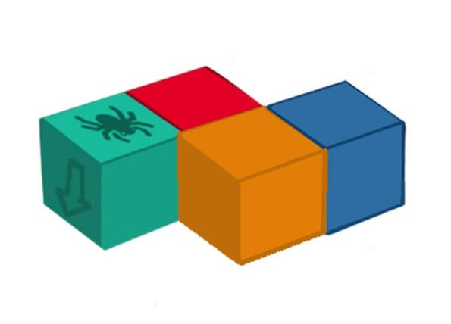
Move ahead. Turn right. Turn around. Move back. Move right. Turn left. Turn around. | . | green bottom |  | FALSE

Turn Left. Move ahead. Move ahead. Move Left. Turn right. Move back. Move right. | . | green top |  | FALSE

Move back. Turn right. Move back. Turn right. Move right. Turn around. Move left. | . | blue left |  | FALSE

Move ahead. Move right. Move right. Turn around. Turn left. Move left. Move ahead. | . | red bottom |  | FALSE

Move right. Move right. Turn right. Move ahead. Turn left. Move back. Move right. | . | red rear |  | FALSE

Level 2 | .

Move right, Turn left, Turn right, Move ahead, Move right, Turn around, Move left. | . | green left |  | FALSE

Turn right, Move ahead, Move left, Turn around, Turn left, Move left, Turn right. | . | green bottom |  | FALSE

Move right, Move ahead, Turn left, Turn around, Move ahead, Move right, Turn around. | . | green front |  | FALSE

Turn around, Move ahead, Move right, Move ahead, Turn around, Move ahead, Move right. | . | green left |  | FALSE

Move left, Turn right, Move back, Turn left, Move back, Move Left, Move back. | . | green bottom |  | FALSE

Level 3 | .

Turn around, Move right, Turn left, Move right, Turn left, Turn right, Move ahead, Move right, Turn around, Move left. | . | green right |  | FALSE

Move right, Move left, Move left, Turn right, Move ahead, Move left, Turn around, Turn left, Move left, Turn right. | . | green front |  | FALSE

Turn left, Move ahead, Turn right, Move right, Move ahead, Turn left, Turn around, Move ahead, Move right, Turn around. | . | green top |  | FALSE

Move back, Move left, Turn around, Turn around, Move ahead, Move right, Move ahead, Turn around, Move ahead, Move right. | . | red top |  | FALSE

Move back, Move back, Turn left, Move left, Turn right, Move back, Turn left, Move back, Move Left, Move back. | . | green bottom |  | FALSE

Move back, Turn right, Move back, Turn left, Move Left, Turn right, Move Right, Turn around, Turn right, Move left. | . | yellow bottom |  | FALSE

Move ahead, Move left, Move ahead, Move right, Turn left, Turn around, Move left, Move back, Move back | . | blue rear |  | FALSE

